instructions
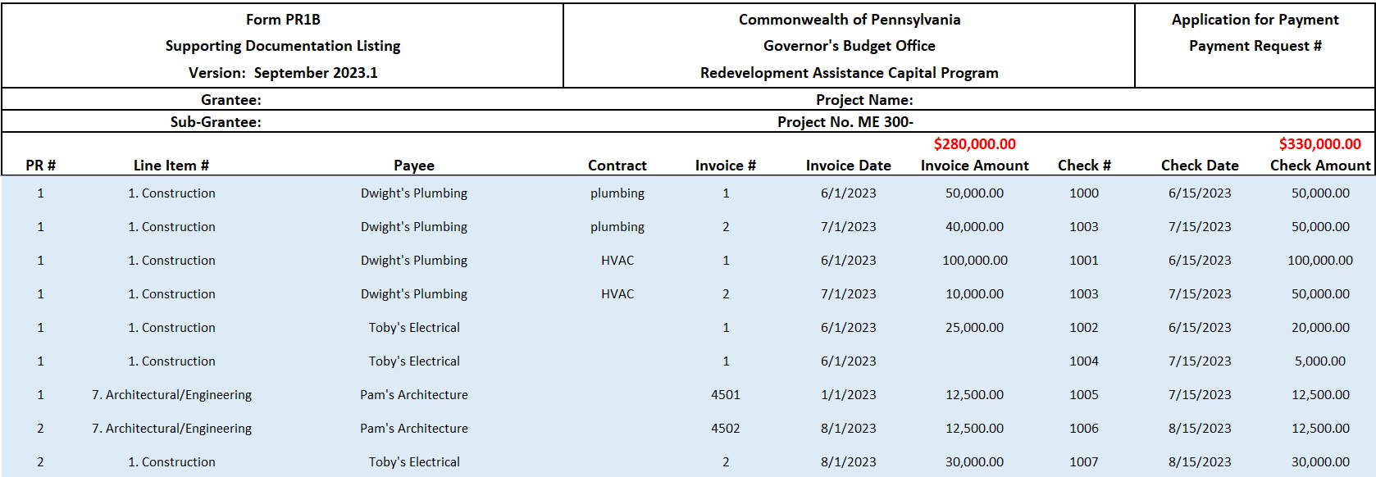
Payment Request Package Instructions

A complete Payment Request package will contain the items listed below. This file serves as the basis for item #s 2 & 3.
1) all supporting documentation & payment proof [in PDF format]
2) a completed signature page [in PDF Format]
3) a completed PR1B Form [in Excel format]

1) All supporting documents and corresponding payment proof (e.g., invoices/POS/front & back of cancelled checks/bank statements/wire statements, etc.) (which are to be submitted as a PDF as part of the Payment Request package).

2) Guidance for the 'signature page' worksheet (which is to be submitted as a PDF as part of the Payment Request package). Using this worksheet, projects will identify the bank name and account number's last four (4) digits and capture the grantee/sub-grantee/architect/engineer signatures.
>Only the fields shaded light blue are available for entry.
>The person preparing the request will enter the Grantee, Sub-grantee, Project Name (exactly as it appears on the executed Grant Agreement), Project No. (exactly as it appears on the executed Grant Agreement) (field is restricted to no more than four digits), Payment Request number, Payee bank name & account number's last four (4) digits.
>If you have truncated sentences showing, they will display in their entirety when printed.
>The person preparing the request will print the form (if getting ink signatures) or save as a PDF (if getting digital signatures).
>The person preparing the request will submit the completed form in PDF format.

3) Guidance for the 'consolidated PR1B' worksheet (which is to be submitted as an Excel file as part of the Payment Request package). Using this worksheet, projects will list all documents (and accompanying payment proof) being submitted for all cost categories. This one file should be used to list all documents associated with any/all Payment Requests for a project. This allows all costs to be shown in cumulative. Please do not leave any blank rows when listing documents. See example below.
>Only the fields shaded light blue are available for entry.
>Enter the Payment Request number (PR #) of the cost (this same worksheet can be used for multiple Pay Requests).
>Enter the Line Item # that the cost belongs to (select from the drop>down list).
>Enter the Payee name (e.g., contractor/subcontractor/etc.).
>If applicable, enter the Contract (typically, this would only apply to construction costs and is to be used when 1) the same contractor performs work for more than one contract and/or 2) when the contractor name does not clearly identify the contract worked on).
>Enter the Invoice #.
>Enter the Invoice Date.
>Enter the Invoice Amount.
>Enter the Check #.
>Enter the Check Date.
>Enter the Check amount (this amount should be what's shown on the check, even if the check is higher than the invoice it goes with).

Optional: The 'estimation' worksheet gives projects an opportunity to determine the approximate amount of the current reimbursement. This does not need to be filled out.

Example
>Since Dwight's Plumbing handled both the plumbing and HVAC contracts, the Contract field was used to identify which invoice was for each.
>Check # 1003 ($50,000.00) was used to pay for both of Dwight's Plumbing invoices #2 (plumbing & HVAC contracts for $40,000 & $10,000 respectively).
>Two checks (1002 & 1004) were used to pay it in its entirety Invoice #1 for Toby's Electrical.

