Org Chart
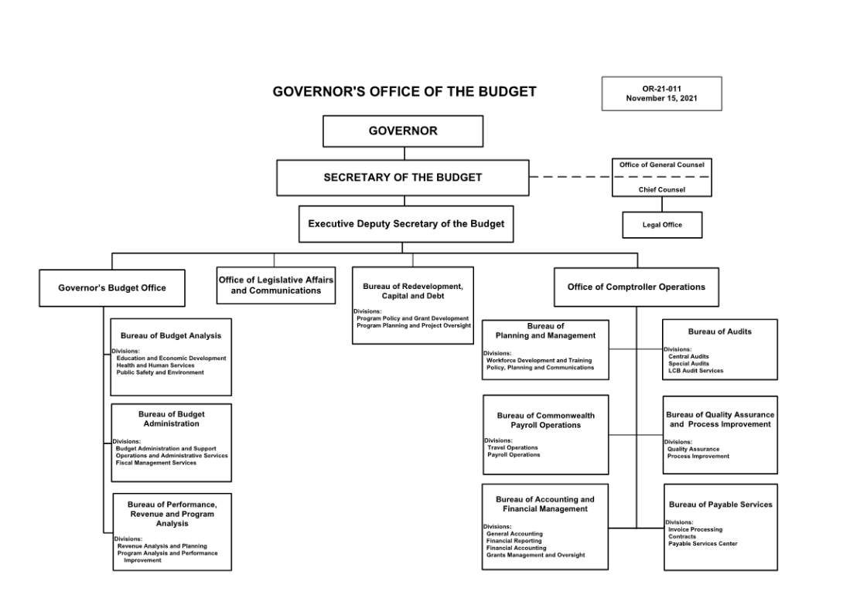
Organizational Chart
Agency (BUSINESS AREA) Name

https://www.oa.pa.gov/Policies/Pages/org.aspx

